17-20.HACCP,Artwork&SpecAuthor.
17.Process Flow Chart- (showing all CCPs)
Please provide in the form a Critical Control Point (CCP), a description of the process/packing operations including processing times tempuratures where applicable and in process Safery Control Checks (CCP Summary) and Quality Checks.

18.Critical Control Points
CCP | Control Measure |  | Critical Limit | Monitoring Frequency
CCP1 | visual check + lab analysis report |  | N/A | every raw material batch
CCP2 | boil soybean milk |  | temperature should not less than 95 °C, | Once each pot
CCP3 | metal detect |  | Ferrous ≤1.5mm; Non- Ferrous ≤2.0mm; Stainless: ≤2.5mm | every bag & every hour
19.Artwork
\ |  | Outer Label / Package Design artwork
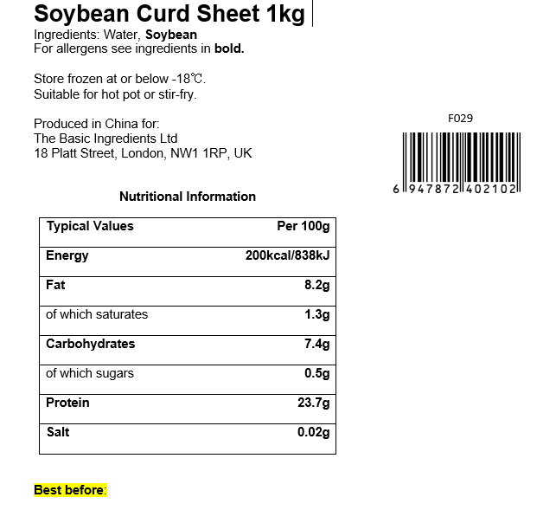 |  | 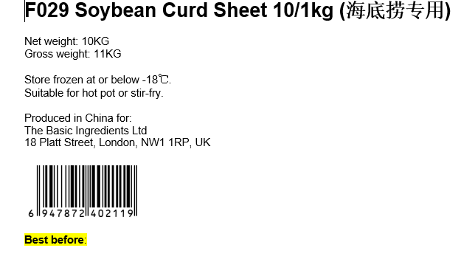
20.Packaging Photos
Finished Product with Primary package | Outer Case (Secondary) |  | Tertiary
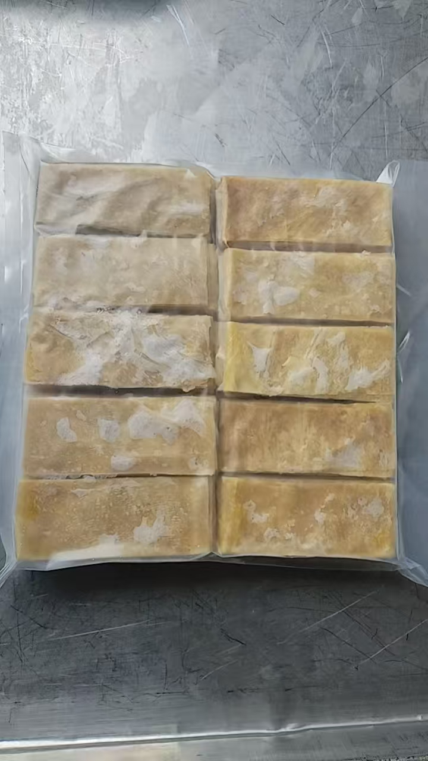 |  |  | N/A
Specification Authorization
1.Product to be supplied in accordance with this agreed specification. No changes are to be made without prior knowledge and prior written agreement of The Basic Ingredients Ltd technical department. 2.The contents of this specification are confidential and should not be disclosed to a third party without a written approval of The Basic Ingredients Ltd technical department.
Manufacture Name | ZHEJIANG JINHUA HAM IMPORT & EXPORT CO., LTD
Signature
Print Name | JOHN JIANG
Position in Company | Technical Manager
Date | 2025-07-30

The Basic ingredients team use only
Signature
Print Name | Nancy Deng
Position in Company | Technical Account Manager
Date | 01/08/2025

